Components
APM-Pixhawk BEC Module
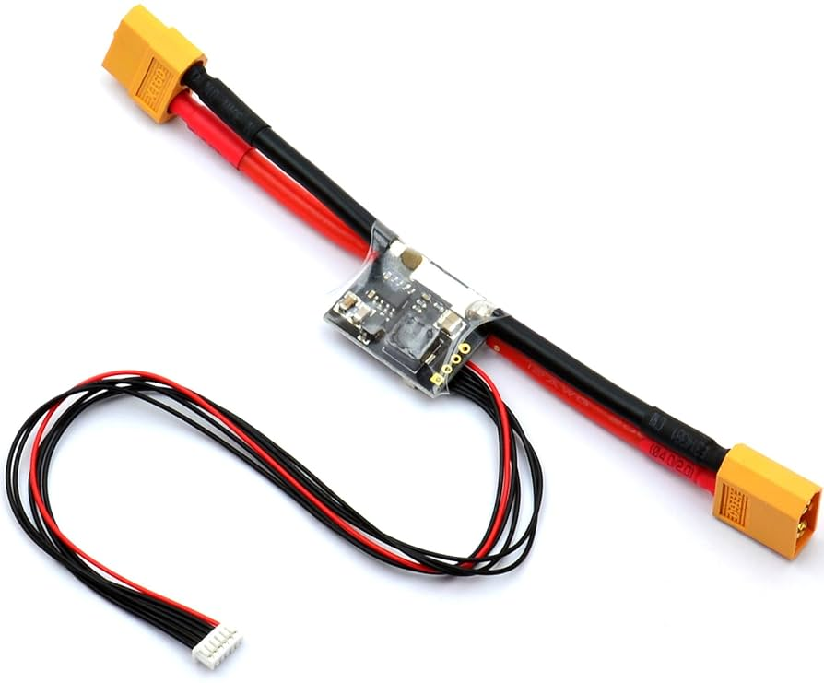
 |  |  |  |  | All the components are selected according to this design

 |  |  |  |  |  |  |  |  |  | Vin | I out | Vout |  | Unit Price |  | Digikey |  | Operating Temp
 |  |  |  |  | Buck converter |  | MP1593 | Datasheet |  | 4.75-28V | 3A | Adjustable |  | $3.42 |  | MP1593DN-LF-Z |  | .-40°C to +125°C

 |  |  |  |  | Current sensor |  | INA169 | Datasheet |  | 2.7-60V |  |  |  | $3.10 |  | INA169NA/250 |  | –40°C to +85°C

 |  |  |  |  |  |  | INA139 | Datasheet |  | 2.7-40V |  |  |  | $2.40 |  | INA139NA/250 |  | .-40°C to +125°C

 |  |  |  |  | APM Pixhawk BEC Module Specs |  |  |  |  |  |  |  |  |  |  |  |  | In pixhawk design

 |  |  |  |  | Maximum input voltage of 18V (4S lipo) |  |  |  |  |  |  |  | 6 Cells | 4.4*6 = 26.4V |  |  |  | 30V -> 3V
Reference Design Link
 |  |  |  |  | Maximum of 90 Amps (but only capable of measuring up to 60 Amps) |  |  |  |  |  |  |  | For current monitoring |  |  |  |  | 60A -> 3V
Board size 24*20mm
 |  |  |  |  | Provides 5.37V and 2.25Amp power supply to the autopilot |  |  |  |  |  |  |  | 5.3V output

Buck converter design

Inductor selection |  |  |  |  |  | Part Number |  |  | Inductance |  | Irms |  | Isat |  | DCR |  | Price

 |  |  |  |  |  | CDRH104RNP-100NC |  |  | 10uH |  | 3.8A |  | 4.4A |  | 35mOhm |  | $1.16

 |  |  |  |  |  | 744770115 |  |  | 15uH |  | 5A |  | 6A |  | 27mOhm |  | $2.40

 |  |  |  |  |  | SRR1260-150M |  |  | 15uH |  | 5A |  | 4.6A |  | 27mOhm |  | $1.01

Vout = 5.3V
Fs = 385kHz
Vin = 22.2V (3.7*6) |  | From 6 cell battery pack
IL p-p = 0.9A
DCR < 30mOhm |  | For inductor power loss < 0.1W
Calculated Inductance (L) = 11.6uH

Vout set |  |  |  |  |  | Pin configuration

R2 | 10K |  |  |  |  | EN | For automatic startup leave EN disconnected
R1 | 33K

Vfb | 1.22V
Vout | 5.25V

Current sensor design

Shunt resistor |  |  | Vout of current measurement |  |  |  |  |  | Vout of voltage measurement

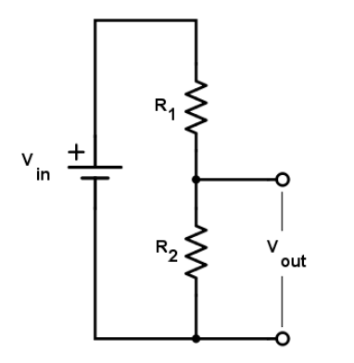
0.5mOhm |  |  |  |  |  |  |  |  |  |  |  | R1 = 13.7K
 | V drop | Power loss
10A | 5mV | 0.05W |  |  |  |  |  |  |  |  |  | R2 = 1.5K
20A | 10mV | 0.2W | Rs = 0.5mOhm |  | RL = 100K
30A | 15mV | 0.45W
40A | 20mV | 0.8W | Is | Vout
 |  |  | 10A | 0.5V
 |  |  | 20A | 1V
 |  |  | 30A | 1.5V
 |  |  | 40A | 2V |  |  |  |  |  | Vin | Vout
 |  |  | 60A | 3V |  |  |  |  | 4.4*6 | 26.4V | 2.6V
 |  |  |  |  |  |  |  |  | 3.7*6 | 22.2V | 2.19V
 |  |  |  |  |  |  |  |  | 3.4*6 | 20.2V | 1.99V
 |  |  |  |  |  |  |  |  | 3*6 | 18V | 1.77V

